Design
Solar Design Dashboard

Load
PV Plant
String Sizing
Structure
Load
 |  |  |  |  |  |  |  |  |  |  |  | 123
 |  |  |  |  |  |  |  |  |  |  |  | 435
 |  |  | Ideal PV Plant Size | 13.22 | kWh | Module Vmp | 31.2 | V | Mounting Structure | Hot dip Galvanized |  | 321
 |  |  | Derating Factor | 0.8 |  | Module T_Vmp | -0.34 | % | Galvanization | 100 | microns | 223
Units Consumed in Year | 26539 | kwh(units) | PV Plant Size | 31.27 | kW | T_STC | 25 | C |  |  |  | 243
Tilt Angle
Per Day Consumption | 72.71 | kwh/day |  |  |  | Inverter Vmin (MPP) | 100 | V |  |  |  | 4654
Sun hours | 5.5 | hrs |  |  |  | Tmax of site | 42 | C |  |  |  | 5464
Inverter
kwh to be produced by Solar | 13.22 | kwh |  |  |  | Min String Size | 3 |  |  |  |  | 245
 |  |  |  |  |  | Module Voc | 35.3 | V | Latitude of area | 31 | degrees | 23
Battery
 |  |  | VA of Inverter | 39091.732176 | watts | T_VOC | 0.25 | C | Tilt Angle | 16 | degrees | 14532
 |  |  | Inverter Size | 40 | kW | Module Tmin | -40 | C | Number of rows | 2 |  | 144
 |  |  |  |  |  | Inverter Vmax | 500 | V | Row Spacing | 4.0552 | m | 132
Properties
Battery Efficiency | 93 | % |  |  |  | Max String Size | 17
Depth of Discharge | 80 | %
Fuses
Temperature Factor | 1.19 | degrees | Size of Module | 540 | Wp
Backup Days | 0.25 |  | Number of modules | 58
Capacity of Battery | 4916.1597136 | Wh | Width of Module | 2384 | mm |  |  |  | Isc of Module | 41 | Amps
DC Voltage | 48 | V | Height of Modules | 1096 | mm |  |  |  | Breaker for PV | 63.96 | Amps
Battery Current | 102.41999403 | Ah | Inter module spacing | 200 | mm |  |  |  | Fuse (inv and battery) | 1041.67 | Amps
Number of inverter MPPT | 2 |  | Area required by modules | 993.1725996 | sq.ft
Current/string | 52 | Ah | Area of installation space | 200.12 | sq.ft
 |  |  | Recommended Structure | L2
 |  |  | Structure type | L2_Landscape

Sheet2
L1_portrait | 
L1_Landscape | 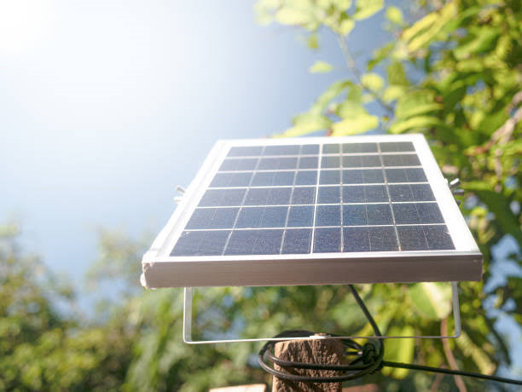
L2_Portrait | 
L2_Landscape | 

